Changes
IT Changes Task List
S/N | Module | Description | Priority (Phase) | Manday | Start Date | Target Date | Status | Actual Completed date | UAT
1 | RF Capture Expiry | To add Qty input TO Quant remain during scanning to serve as prevention of duplicate scanning of expiry data capture. | 1 | 3 | 29-Oct-14 | 2014-10-31 | DONE | 30-Oct-14 | 2014-11-06
2 | Inventory Matching Report | New inventory balance report to show inventory status by matching SKU+LOC+Qty [WMS] -> [Expiry] -> Expiry balance base on SAP Inventory balance matching WMS by groupin gof SKU and Location Report provide matching status : 1. WMS Matched 2. WMS Qty not match 3. Not in SAP 4. WMS Not Update | 1 | 3 | 2014-11-03 | 2014-11-07 | Done | 2014-11-06 | 2014-11-06
QTY
3 | Expiry Inventory auto stockout adjustment | after new snapshot of inventory updated, system process matching and adjust the new inventory balance in WMS based on SAP Report by grouping by SKU+LOC + SubTotalQty [06/11] stay quote, ops still settling issue Scanned in WMS but not valid in SAP system. [13/11] ops put-away cut-off time @23:00 in SAP system, SAP inventory report will be download into WMS. WMS will zero stock out item that has no inventory available in SAP raw file. | 1 | 3 | 2014-11-10 | 2014-11-13 | DONE | 2014-11-13 | 2014-11-14
4 | RF Transfer Loc Move Expiry | Screen to allow user to transfer WMS expiry Location | 1 | 2 | 2014-11-18 | 2014-11-20 | DONE | 31-Oct-14 | 2014-11-01
5 | Inventory Status report | New report version 1. Expiry Inventory Status reports (ver 2) This report will provide 2 section of inventory status a. Inventory balance matching status – refer “System Match Status” – result of the comparing inventory in SAP ( SKU+StorageBin ) vs WMS i. WMS Matched = SAP SKU+Location and balance qty vs WMS is matched ii. WMS Qty not match = SAP SKU+Location matched WMS but balance qty not match. (the auto-stock out will kick in into system at later date) iii. Not in SAP = WMS Scanned data not found in SAP (this line will auto-stock out, when SKU+Location in WMS but not found SAP inventory) iv. WMS Not Update = SAP SKU+Location not found in WMS b. Item expiry status detail “Expiry Status” – result of the expiry status i. EXPIRED – item with month-to expiry less than 4 months ii. ALERT – item with month-to expiry = 5 months iii. NORMAL – item with month-to expiry greater than 4 months iv. NOT UPDATE – item not in WMS expiry scan detail |  | 2 | 2014-11-03 | 2014-11-05 | DONE | 2014-11-14 | 2014-11-14 | 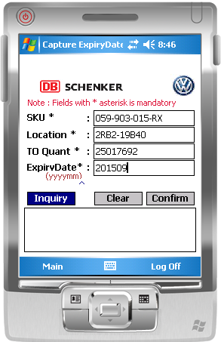
6 | Expired List | Created Expired List report – List of expired item in WMS. the report format will be same as Expiry Inventory report |  | 1 | 2014-11-03 | 2014-11-05 | DONE | 2014-11-01 | 2014-11-01
7 | Daily Scanned Detail Report | 3. Daily Scanned detail report – List of daily scanned Expiry date item, Storage type = “NA” refer to the item is not available in SAP Inventory Report. Added SAP QtyAvail, WMS qty Avail, matching status ( Valid in SAP or Not in SAP) - User to validate daily on the scanned expiry vs SAP system. may have item scanned but not Putaway Confirm in SAP. |  | 1 | 2014-11-03 | 2014-11-05 | DONE | 2014-11-01 | 2014-11-01

